Identified suspects
TraceFinder ID | Name | Neutral formula | MW | m/z | Possible structure number | Structure | SMILES | Comment
d/c PFSA n=8 | perfluoroethyl-4-cyclohexane sulfonate (PFECHS) | C8F15SO3H | 461.94121 | 460.93341 |  | 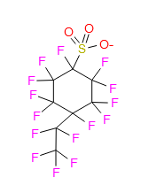 | O=S(=O)([O-])C1(F)C(F)(F)C(F)(F)C(F)(C(F)(F)C(F)(F)F)C(F)(F)C1(F)F
eecec PFSA n=8 | enol ether-/cyclic ether-/carbonyl-perfluoroalkyl sulfonates | C8F15SO4H | 477.93613 | 476.92833 | 1 (enol ether) | 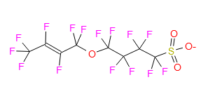 | O=S(=O)([O-])C(F)(F)C(F)(F)C(F)(F)C(F)(F)OC(F)(F)/C(F)=C(F)/C(F)(F)F | Found in Cape Fear river water through MS2: https://slideplayer.com/slide/14976486/
 |  |  |  |  | 2 (cyclic ether) | 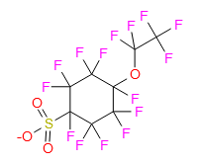 | O=S(=O)([O-])C1(F)C(F)(F)C(F)(F)C(F)(OC(F)(F)C(F)(F)F)C(F)(F)C1(F)F
 |  |  |  |  | 3 (carbonyl) | 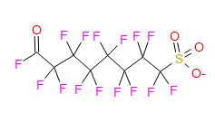 | O=C(F)C(F)(F)C(F)(F)C(F)(F)C(F)(F)C(F)(F)C(F)(F)C(F)(F)S(=O)(=O)[O-]
ether PFSA n=4 | monoether PFSAs n=4 | C4F9SO4H | 316.09897 | 315.09117 | isomer 1 | 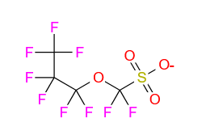 | O=S(=O)([O-])C(F)(F)OC(F)(F)C(F)(F)C(F)(F)F
 |  |  |  |  | isomer 2 | 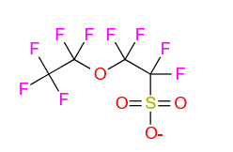 | O=S(=O)([O-])C(F)(F)C(F)(F)OC(F)(F)C(F)(F)F
 |  |  |  |  | isomer 3 | 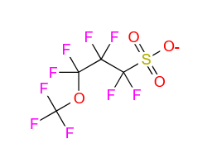 | O=S(=O)([O-])C(F)(F)C(F)(F)C(F)(F)OC(F)(F)F
ether PFSA n=8 | monoether PFSAs n=8 | C8F17SO4H | 515.93293 | 514.92513 | isomer 1 | 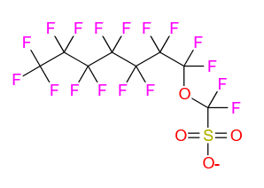 | O=S(=O)([O-])C(F)(F)OC(F)(F)C(F)(F)C(F)(F)C(F)(F)C(F)(F)C(F)(F)C(F)(F)F
 |  |  |  |  | isomer 2 | 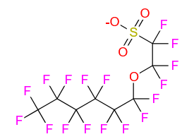 | O=S(=O)([O-])C(F)(F)C(F)(F)OC(F)(F)C(F)(F)C(F)(F)C(F)(F)C(F)(F)C(F)(F)F
 |  |  |  |  | isomer 3 | 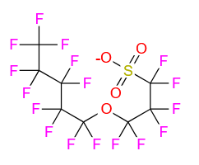 | O=S(=O)([O-])C(F)(F)C(F)(F)C(F)(F)OC(F)(F)C(F)(F)C(F)(F)C(F)(F)C(F)(F)F
 |  |  |  |  | isomer 4 | 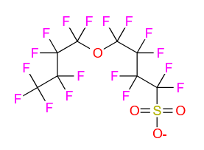 | O=S(=O)([O-])C(F)(F)C(F)(F)C(F)(F)C(F)(F)OC(F)(F)C(F)(F)C(F)(F)C(F)(F)F
 |  |  |  |  | isomer 5 | 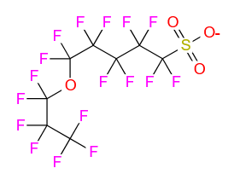 | O=S(=O)([O-])C(F)(F)C(F)(F)C(F)(F)C(F)(F)C(F)(F)OC(F)(F)C(F)(F)C(F)(F)F
 |  |  |  |  | isomer 6 |  | O=S(=O)([O-])C(F)(F)C(F)(F)C(F)(F)C(F)(F)C(F)(F)C(F)(F)OC(F)(F)C(F)(F)F
 |  |  |  |  | isomer 7 | 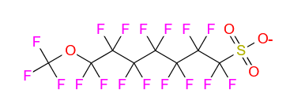 | O=S(=O)([O-])C(F)(F)C(F)(F)C(F)(F)C(F)(F)C(F)(F)C(F)(F)C(F)(F)OC(F)(F)F
H-PFDoDA | H-PFDoDA / in-source fragment PFDoDA? | C12F22H2O2 | 595.9706 | 594.9628 |  |  | O=C([O-])C(F)C(F)(F)C(F)(F)C(F)(F)C(F)(F)C(F)(F)C(F)(F)C(F)(F)C(F)(F)C(F)(F)C(F)(F)F
H-PFDS | H-PFDS / in-source fragment PFDS? | C10H2F20O3S | 581.940527 | 580.932727 |  |  | O=S(=O)([O-])C(F)C(F)(F)C(F)(F)C(F)(F)C(F)(F)C(F)(F)C(F)(F)C(F)(F)C(F)(F)C(F)(F)F
NMe-FBSAA | perfluoroalkyl sulfonamides derived acid | C7H6F9NO4S | 370.9873 | 369.9795 |  | 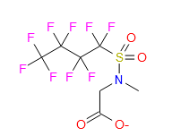 | CN(CC(=O)[O-])S(=O)(=O)C(F)(F)C(F)(F)C(F)(F)C(F)(F)F

